Sheet1
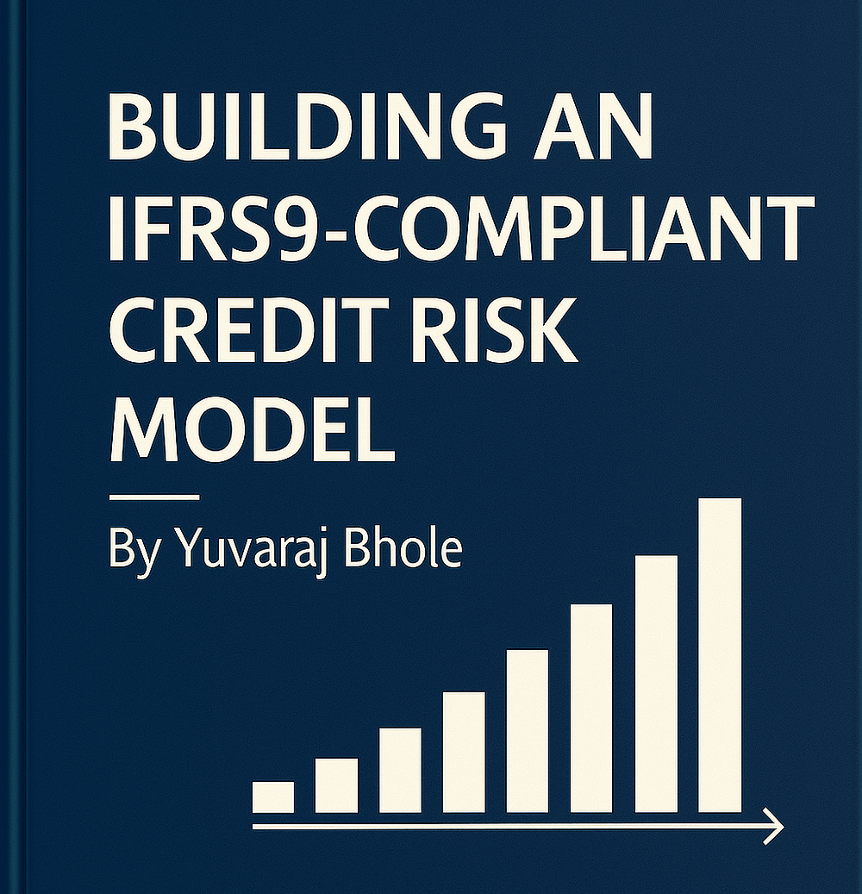
Name | Stage of loan | PD | Rationale
Stage 1 - Healthy patient | Performing loans | 12 month PD | Risk of default in near-future
Stage 2 - At risk patient | Underperforming loans | Lifetime PD | Experienced SICR since origination but not defaulted
Stage 3 - Sick patient | Defaulted loans (Credit impaired) | 100% | 90+ DPD. Focus on LGD (How much can be recovered)

